Info
Growth Assay OD-GFP-RFP (1)
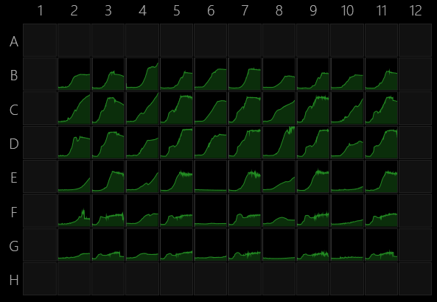
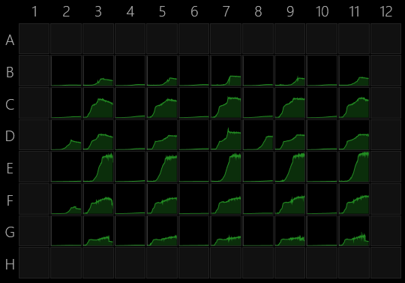
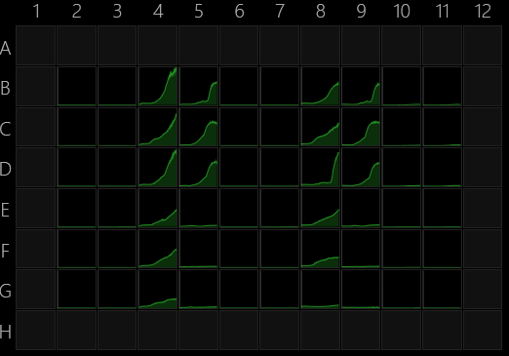
2022-10-07 14:56:25

Assay was completed successfully.

Info

Instrument
Instrument serial number | 3210324
Instrument firmware version | 108

Software
Version | 1.3.0.0

Plate
Wells | 96 (8x12)
Manufacturer | General
Name
A1 offset (µm) | 14380;11240
Well distance (µm) | 9,000
Well diameter (µm) | 6,500 |  |  |  |  |  |  |  |  |  |  |  |  |  | RFP (EC)
 |  |  |  | OD |  |  |  |  |  |  |  |  |  | GFP (PF)
Operations

Kinetics by plate
Cycles | 300 |  |  | Plate map
Interval (s) | 600
Shake | Intensive orbital |  |  | Wt 1655 | +PF | no AckA | +PF | no Pta | +PF | no ACS | +PF | Extra ACS | +PF
 |  |  |  | 2 | 3 | 4 | 5 | 6 | 7 | 8 | 9 | 10 | 11
Temperature control |  | 5 Malt | B
Technology | Temperature control | 5 Malt 20 Ace | C
Switch heating off | No | 5 Malt 4 4HB | D | PF contaminated |  |  |  |  |  | PF contaminated
Set target temperature | 30 | 50 Ace | E
Wait for warming to target temperature | No | 20 Ace | F | PF contaminated
Wait for cooling to target temperature | No | 10 Ace | G

Absorbance
Technology | Absorbance
Flashes | 25
Calculation | OD(590)

Fluorescence
Technology | Fluorescence
Excitation | 485/10 nm
Excitation aperture | Default
Emission | 535/20 nm
Emission aperture | Default
Mirror | Automatic
Flashes | 25
Lamp power | Default
Read mode | Top
Focus (mm) | Default
PMT voltage | Default

Fluorescence 1
Technology | Fluorescence
Excitation | 544/20 nm
Excitation aperture | Default
Emission | 590/20 nm
Emission aperture | Default
Mirror | Automatic
Flashes | 25
Lamp power | Default
Read mode | Top
Focus (mm) | Default
PMT voltage | Default

End kinetics

Temperature control 1
Technology | Temperature control
Switch heating off | Yes

